Calculator
 | Units | Inches

 | Inputs (in) |  |  | Material Properties
 | Max Press (MMC) | Min Press (LMC) |  | E, modulus (psi) | v, Poisson's Ratio
Pin, OD | 0.4078 | 0.4075 | Pin | 29,000,000 | 0.3
Pin, ID (0 = solid pin) | 0 | 0 | Lug | 3,500,000 | 0.33
Hole, ID | 0.407 | 0.407
Lug, OD | 1 |  | Friction Coeff. | 0.3
 |  |  | Length of Engagement (in) | 0.14
Interference | 0.0008 | 0.0005
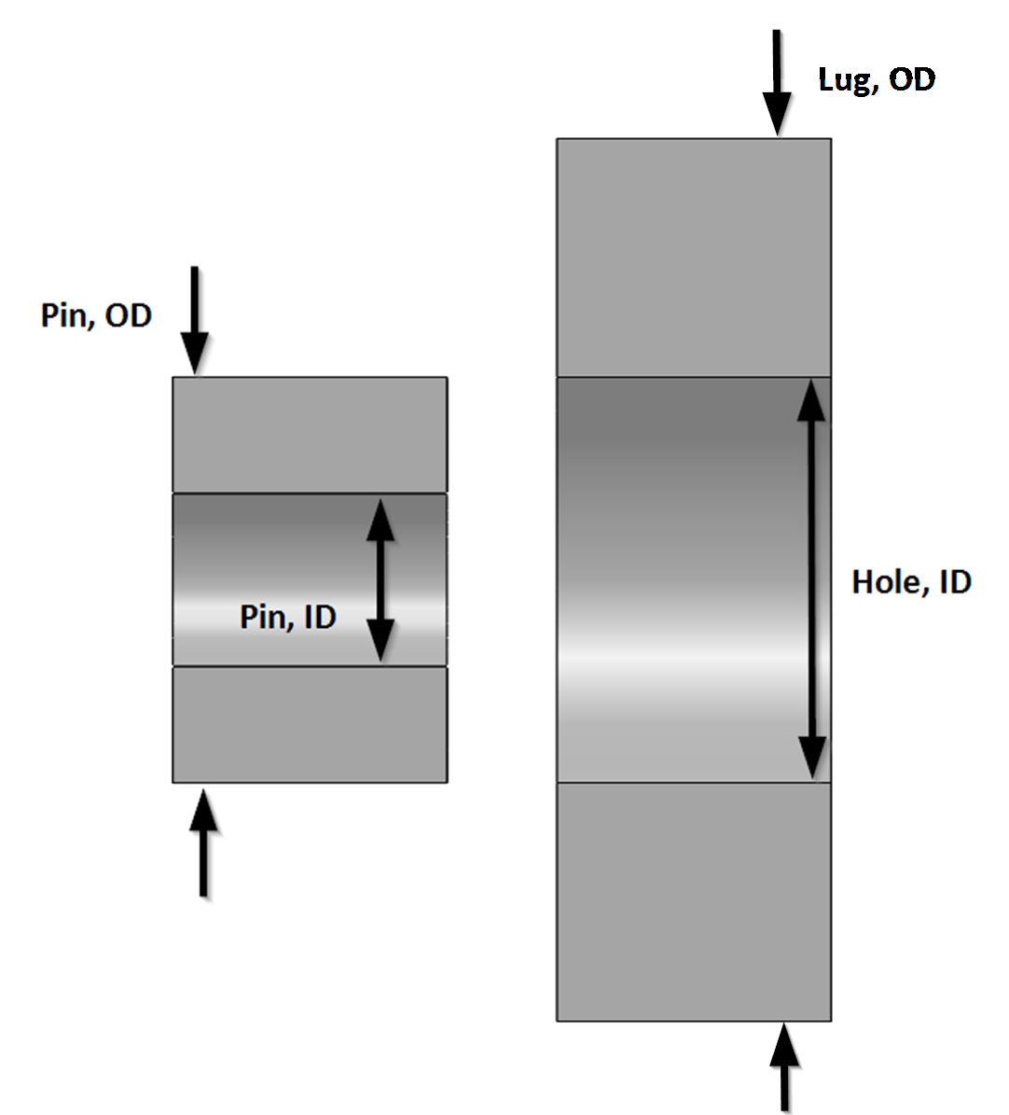
Pressure | 3,794 | 2,374

 | Stress (psi)
 | Max Press (MMC) | Min Press (LMC)
Bearing Stress | -3,794 | -2,374

Hoop Stress, Lug (interface) | 5,301 | 3,316
Hoop Stress, Lug (outer) | 1,507 | 942
Hoop Stress, Pin (interface) | -3,794 | -2,374
Hoop Stress, Pin (inner) | 0 | 0

 | Force (lbs)
 | Max | Min
Approx. Assembly Force | 408 | 255

